Consolidated Report
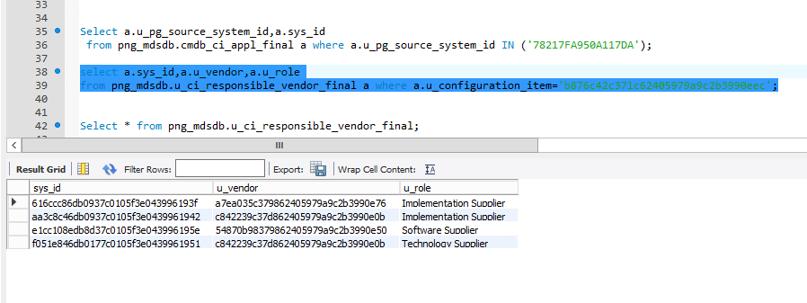
UAT Instance | PROD Instance
97B697EB59E057CE | 7BDA7D7E5CD250C9
C7FAC86E5D783D3C | 3B1F3E8E5C3717EE
7BDA7D7E5CD250C9 | 318F322A5C642199
E5B9E69B5D8B1ADF | C803C88A5CBE0F74
D179D1F25D3A27EC | 88BA89AC5D8E655B
318F322A5C642199 | 97B697EB59E057CE
C803C88A5CBE0F74 | C7FAC86E5D783D3C
88BA89AC5D8E655B | E5B9E69B5D8B1ADF
3B1F3E8E5C3717EE | 777A77D65D9429AB
0CDE0D4B5ADF1189 | D179D1F25D3A27EC
777A77D65D9429AB | 0CDE0D4B5ADF1189
EEC2F28159C031FB | EEC2F28159C031FB
B2B9B3D25D0A4698 | F9F1FC8951C24541
F9F1FC8951C24541 | B2B9B3D25D0A4698
539A590B59B077EA | 79697CE45C091380
99F99A775D884601 | 539A590B59B077EA
65227FCD49F007B2 | 99F99A775D884601
79697CE45C091380 | 65227FCD49F007B2
539A590959B077C4 | 25BA26935CE34DC9
5FC761A650B30B1B | 539A590959B077C4
EE71EEC25A977D74 | 261827165C792774
25BA26935CE34DC9 | 12731CF84EC102AF
13D828FA4EE70940 | 31793BE75AF56A94
7E9B860F59BA62DA | 13D828FA4EE70940
261827165C792774 | 7E9B860F59BA62DA
12731CF84EC102AF | 6C4882B74E80004A
492B4A264F6C1BEF | 492B4A264F6C1BEF
790EC866543F35DE | 790EC866543F35DE
993D9EEC514822DB | 68FA69835D410AD2
0BFA0C4D5D446B86 | 0BFA0C4D5D446B86
4E579B6F49D60FC6 | 39CB3A9F59EF41A8
F47FF7904F5F2BB3 | 4E579B6F49D60FC6
0D0019FD4E73041C | F47FF7904F5F2BB3
6C4882B74E80004A | 0D0019FD4E73041C
31793BE75AF56A94 | 52DD7A514F8C8579
68FA69835D410AD2 | EBCAF0DD4B5D0094
25BA295C5CE3674F | B8E8CEC34CAC0066
0D2D695752F26BDE | C32ECFE958244913
39CB3A9F59EF41A8 | E7C1E9555BEB116F
52DD7A514F8C8579 | 25BA295C5CE3674F
EBCAF0DD4B5D0094 | 3DB93EAF5CF855CD
3E373F1E5536546A | 6DCB72BA55E57459
335D3E7C5A536976 | 8B16C0E15BFF60DE
E7C1E9555BEB116F | 3E373F1E5536546A
3DB93EAF5CF855CD | 335D3E7C5A536976
6DCB72BA55E57459 | 1D4C229752CF329A
8B16C0E15BFF60DE | 0FD2107B5D301BBB
A4E2CE125130F9BF | 9287979D50B81DDC
78CB7FEC5BEA5120 | 29872B1B5C477A94
60F0651356002D4E | 2DF82E12484C009F
CFC7D1A25A6868B2 | 16AB1D5351E05E3A
0FD2107B5D301BBB | E10FE1F2591A2E00
78217FA950A117DA | A560AABE5BD280D4
92329B245074064D | 802EB095543E1351
C502D12752253F04 | 575059C652A00ABF
8B91DAC54D3E1895 | 8ED896B652C671E3
B7BFB9C05A2902C4 | A4E2CE125130F9BF
9287979D50B81DDC
C012F36755FB71FE
29872B1B5C477A94
FDDB18995A6A06E9
246FB92655D49937
37536EC2577A2D90
16AB1D5351E05E3A
9781F073522518B4
E10FE1F2591A2E00
53FE5758599B5749
A560AABE5BD280D4
802EB095543E1351
C459C97B59D35A87
9B5AC02553AA545E
6FE8AD8D4D36069E
FBA1FD8B48C40181
92D799CF494A0CBD
668671FA4A2F00A1
FCAF0AA1540AB792
C650CE89528BB03E
7CC8899950D01FF0
C1D9C21753AD4D44
575059C652A00ABF
B964BEC85A616007
B27103685BB266C1
935200BD4DAE04E5
7825813547E1029B
847F9FE355645EE1
E310E63A584F4234
8ED896B652C671E3
ECBAF05A4F13768D
7CE77E1D59A512A6

Service Operation Supplier Sap Code is UNSPECIFED - UAT instance

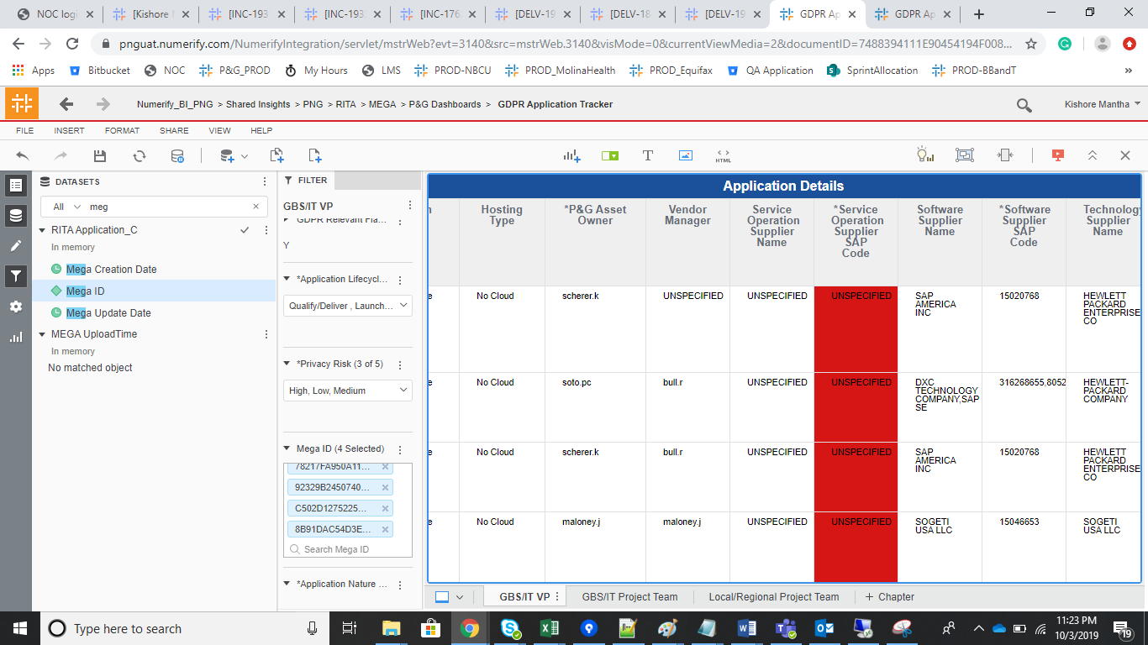
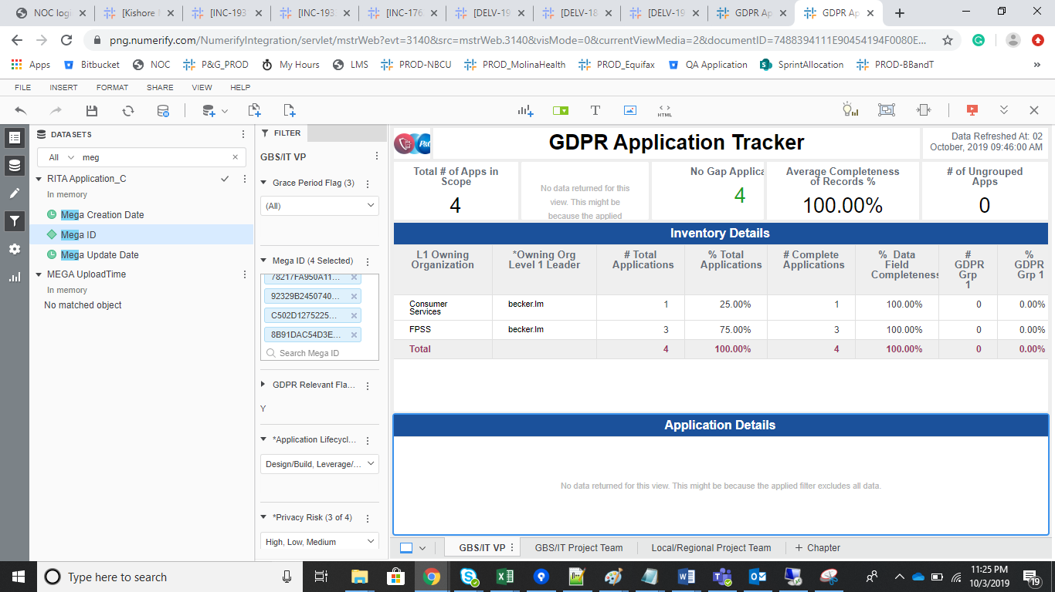

select a.sys_id,a.u_vendor,a.u_role from png_mdsdb.u_ci_responsible_vendor_final a where a.u_configuration_item='b876c42c371c62405979a9c2b3990eec';

